Info
not triggered = no encounter
triggered = has an encounter
reported (i.e. measure executed and report submitted) = has a condition and encounter
denominator = (see CQL)
numerator = (see CQL)

Plan Def: https://github.com/DBCG/aphl-chronic-disease-surveillance-ig/blob/main/input/resources/plandefinition/ChronicDSDiabetesPoorControl.xml
CQL: https://github.com/DBCG/aphl-chronic-disease-surveillance-ig/blob/main/input/cql/DiabetesHemoglobinA1cHbA1cPoorControl9FHIR.cql

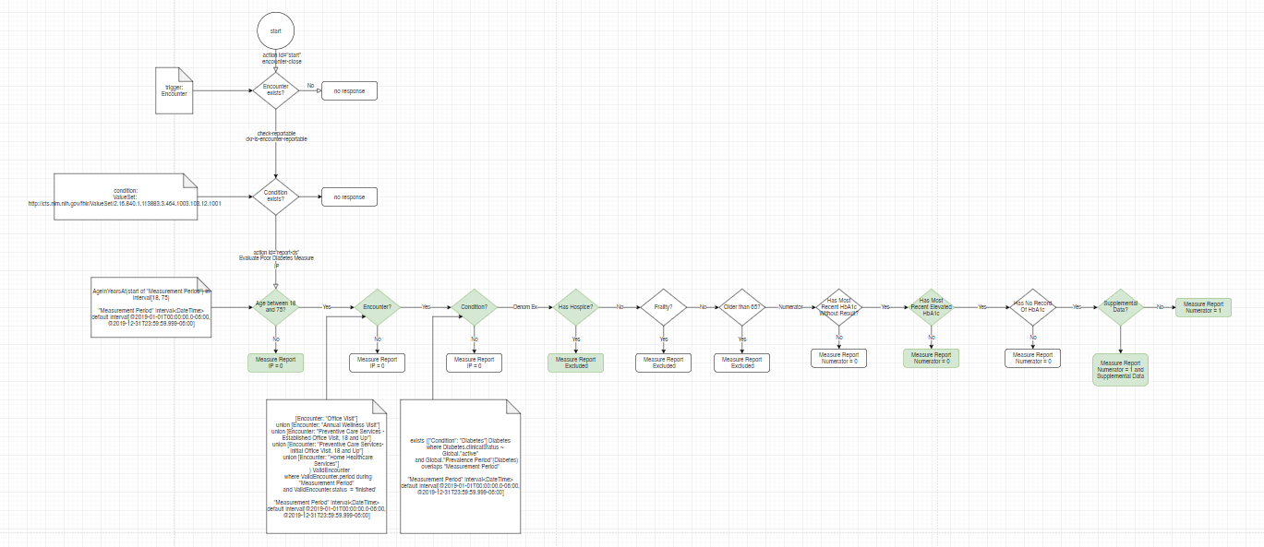
Events: http://build.fhir.org/ig/HL7/fhir-medmorph/CodeSystem-us-ph-triggerdefinition-namedevents.html
Patient Profile: http://hl7.org/fhir/us/ecr/StructureDefinition/us-ph-patient
id: <test case name> identifier: system: value: name: given: family: telecom:phone: system: value: gender: female birthdate: address: line: city: state: postalcode:

Encounter Profile: http://hl7.org/fhir/us/ecr/StructureDefinition/eicr-encounter
id: <test case name>-enc status: finished class: IMP type: 185389009 subject: <test case name>

Condition Profile: http://build.fhir.org/ig/HL7/case-reporting/StructureDefinition-us-ph-condition.html
id: <test case name>-con category: encounter-diagnosis code: <set by test scenario> subject: <test case name>

Procedure: http://hl7.org/fhir/us/ecr/StructureDefinition/eicr-procedure
id: <test case name>-pro status: completed code: <set by test scenario> subject: <test case name> performed: <set by test scenario>

Lab Observation: http://hl7.org/fhir/us/core/StructureDefinition/us-core-observation-lab
status: final category: system: http://terminology.hl7.org/CodeSystem/observation-category, code: laboratory code: <set by test scenario> subject: <test case name> effective: <set by test scenario>

